Sheet1
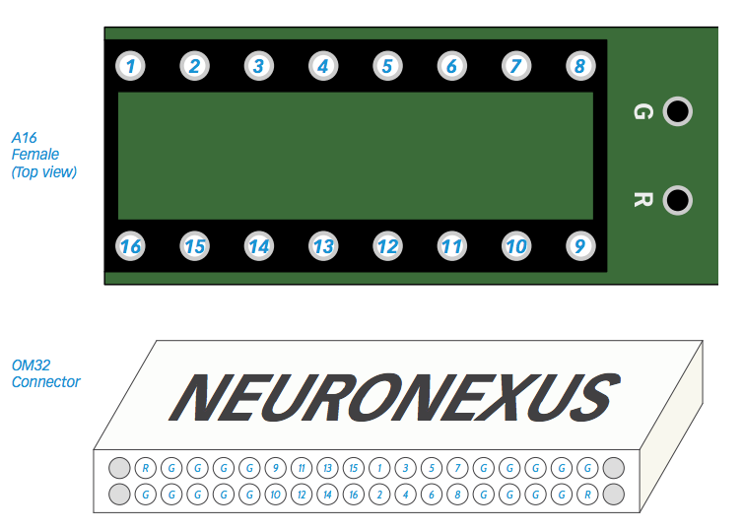
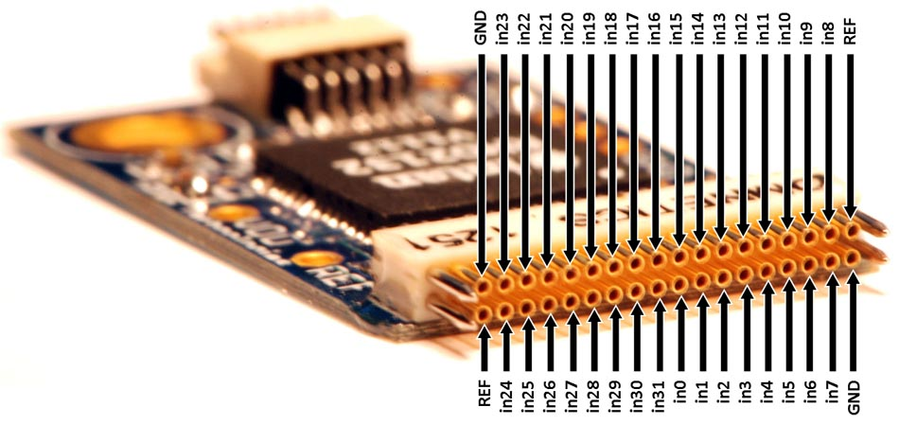
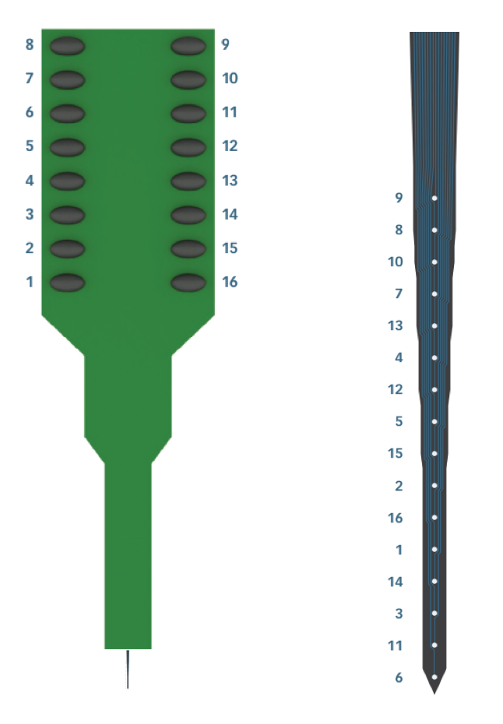
A16 electrode location to Omnetics32 / OpenEphys channel mapping

 | Location | A16 Channel # | Intan headstage | OPENEPHYS
Surface (shank) | 1 | 9 | 12 | 13
 | 2 | 8 | 28 | 29
 | 3 | 10 | 3 | 4
 | 4 | 7 | 19 | 20
 | 5 | 13 | 14 | 15
 | 6 | 4 | 30 | 31
 | 7 | 12 | 2 | 3
 | 8 | 5 | 18 | 19
 | 9 | 15 | 15 | 16
 | 10 | 2 | 31 | 32
 | 11 | 16 | 0 | 1
 | 12 | 1 | 16 | 17
 | 13 | 14 | 1 | 2
 | 14 | 3 | 17 | 18
 | 15 | 11 | 13 | 14
Deep (tip) | 16 | 6 | 29 | 30

